option 1(old)
SCREEN POSITION |  | DISPLAY RESOLUTION(px) |  | WIRE JUMPER (Switch-V8 STB) （Line） | POWER LINE (V8 STB) （Line） | EQUIPMENT AMOUNT (V8 STB) | EQUIPMENT AMOUNT (LED Emitter) | LED DISPLAY RESOLUTION (px) | SPLITED SCREEM IMAGE | COMMENTS
LED TYPE | SCREEM ID | ORIGINAL RESOLUTION | SPLITED RESOLUTION
P5 | A1 | 1152*608 | 1152*608 | 1 | 1 | 1 | 1 | 1152*608
P5 | B1-1(M) | 3584*192 | 1920*192 | 5 | 5 | 5 | 5 | 1920*192 | 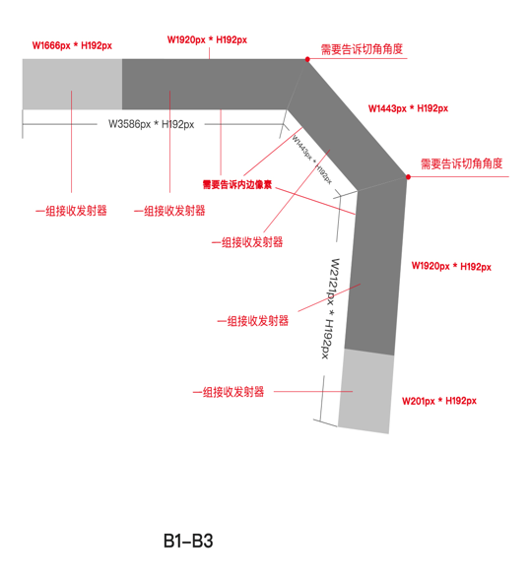
P5 | B1-2 |  | 1664*192 |  |  |  |  | 1664*192
P5 | B2 | 1514*192 | 1514*192 |  |  |  |  | 1514*192
P5 | B3-1 | 2170*192 | 416*192 |  |  |  |  | 416*192
P5 | B3-2 |  | 1754*192 |  |  |  |  | 1754*192
P5 | B4-1(M) | 1088*3104 | 1088*960 | 4 | 4 | 4 | 4 | 1088*960
P5 | B4-2 |  | 1088*960 |  |  |  |  | 1088*960
P5 | B4-3 |  | 1088*960 |  |  |  |  | 1088*960
P5 | B4-4 |  | 1088*224 |  |  |  |  | 1088*224
P4 | B5-1(M) | 4288*256 | 1920*256 | 3 | 3 | 3 | 3 | 1920*256
P4 | B5-2 |  | 1920*256 |  |  |  |  | 1920*256
P4 | B5-3 |  | 448*256 |  |  |  |  | 384*256
P5 | C1-1(M) | 3584*192 | 1920*192 | 4 | 4 | 4 | 4 | 1920*192
P5 | C1-2 |  | 1664*192 |  |  |  |  | 1664*192
P5 | C2 | 1514*192 | 1514*192 |  |  |  |  | 1514*192
P5 | C3 | 1066*192 | 1066*192 |  |  |  |  | 1066*192
P4 | C4-1(M) | 3328*416 | 1920*416 | 2 | 2 | 2 | 2 | 1920*416
P4 | C4-2 |  | 1408*416 |  |  |  |  | 1408*416
P3 | C5 | 512*896 | 512*896 | 1 | 1 | 1 | 1 | 512*896
P3 | C6 | 512*896 | 512*896 | 1 | 1 | 1 | 1 | 512*896
P3 | C7 | 512*896 | 512*896 | 1 | 1 | 1 | 1 | 512*896
P2 | E1-1(M) | 2504*2720 | 1052*1920 | 6 | 6 | 6 | 6 | 1920*1052 | 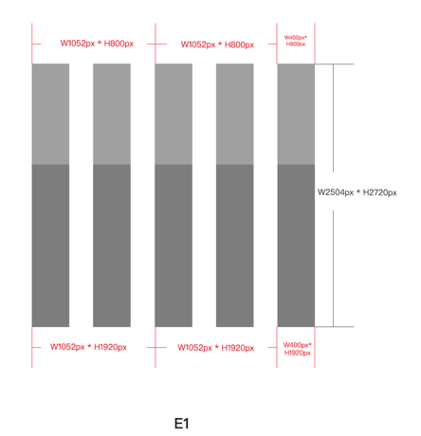 | counter-clockwise 90 degrees for the original vertical direction
P2 | E1-2 |  | 1052*1920 |  |  |  |  | 1920*1052
P2 | E1-3 |  | 400*1920 |  |  |  |  | 1920*400
P2 | E1-4 |  | 1052*800 |  |  |  |  | 800*1052
P2 | E1-5 |  | 1052*800 |  |  |  |  | 800*1052
P2 | E1-6 |  | 400*800 |  |  |  |  | 800*400
P2 | E2-1(M) | 1920*1520 | 1920*640 | 2 | 2 | 2 | 2 | 1920*640
P2 | E2-2 |  | 1920*880 |  |  |  |  | 1920*880
 |  |  |  | 30 | 30 | 30 | 30

A1
608
 | 1152
A1

B1-B3
B1-1
B1-2
 | 1920 | 1664
192
1514

B2

416
B3-1

B3-2
1754

B1-B3image
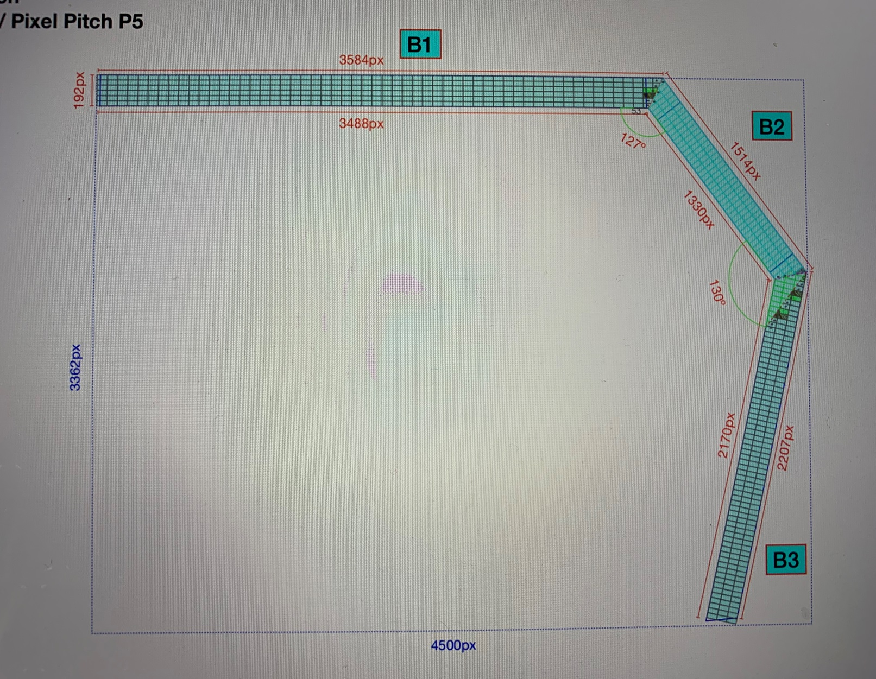
1920
1664
911

53°
1209
编号 | 斜边值 | 角度 | 正弦函数值
B2 | 1514 | 53 | 0.79863551005 | 1209
B2 | 1514 | 37 | 0.60181502315 | 911

2292196
2292196
127°

37°

2114
130°
编号 | 斜边值 | 角度 | 正弦函数值
B3 | 2170 | 13 | 0.22495105434 | 488
B3 | 2170 | 77 | 0.97437006479 | 2114

4708900
4708900

整体像素

H | 4495
V | 3323
13°

单行像素

H | 7268
V | 192

77°

488

B4
B4-1
B4-2
B4-3
960
960
960
B4-4
192
 | 1088
B4

B5
B5-1
B5-2
B5-3
 | 1920 | 1920 | 448
256
B5

C1-C3
C1-2
C1-1
1664 | 1920
 |  | 192

1514

C2

1066
C3

C1-C3image
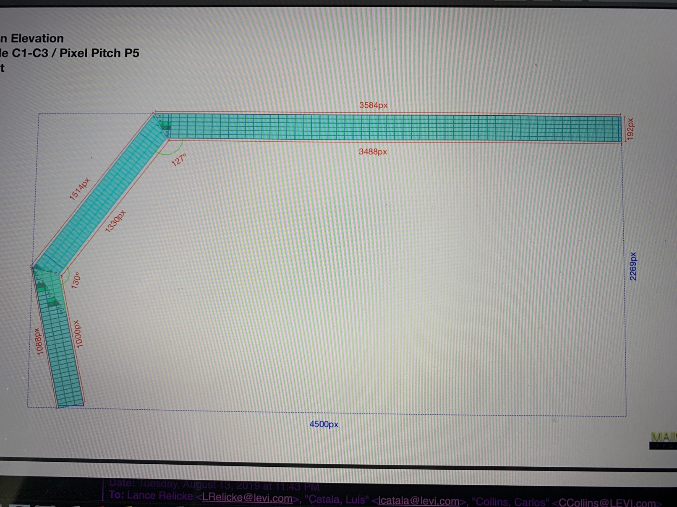
911
1664
1920

1209
编号 | 斜边值 | 角度 | 正弦函数值
C2 | 1514 | 53 | 0.79863551005 | 1209
C2 | 1514 | 37 | 0.60181502315 | 911
53°
2292196
2292196

127°

1514

37°

130°
1039
编号 | 斜边值 | 角度 | 正弦函数值
B3 | 1066 | 13 | 0.22495105434 | 240
B3 | 1066 | 77 | 0.97437006479 | 1039

1136356
1136356

整体像素

H | 4495
V | 2248
1066

13°
单行像素

H | 6164
V | 192

240

C4
C4-1
C4-2
 | 1920 | 1408
416
C4

C5-C7
C5
C6
C7
 | 512 |  | 512 |  | 512
896 |  | 896 |  | 896
C5
C6
C7

E1
E1-4
E1-5
E1-6
126
E1-1
126
126
E1-2
126
E1-3
800
1920
 | 400 | 400 | 400 | 400 | 400
 | 1052 |  | 1052 |  | 400
E1

E2
E2-1
E2-2
640
880
 | 1920

